Fragmento de codigo 1
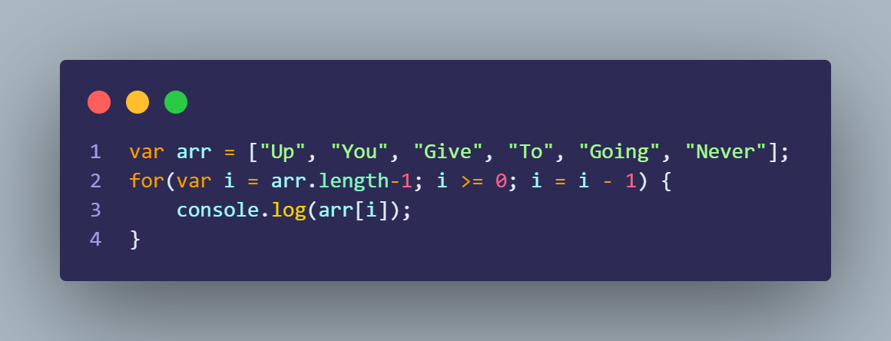
Diagrama T

Variables | Values | Consola
arr | ["Up", "You", "Give", "To", "Going", "Never"] | Never
i | 5 -> 4- > 3 -> 2 -> 1 -> 0 -> -1 | Going
 |  | To
 |  | Give
 |  | You
 |  | Up

Fragmento de codigo 2
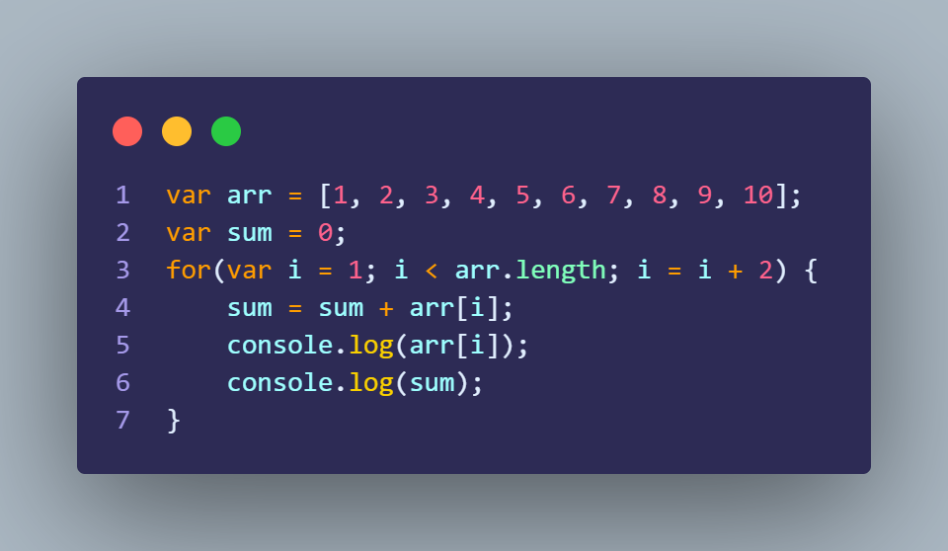
Diagrama T

Variables | Values | Consola
arr | [1, 2, 3, 4, 5, 6, 7, 8, 9, 10] | 2
sum | 0 -> 2 -> 6 -> 12 -> 20 -> 30 | 2
i | 1 -> 3 -> 5 -> 7 -> 9 -> 11 | 4
 |  | 6
 |  | 6
 |  | 12
 |  | 8
 |  | 20
 |  | 10
 |  | 30

Fragmento de codigo 3
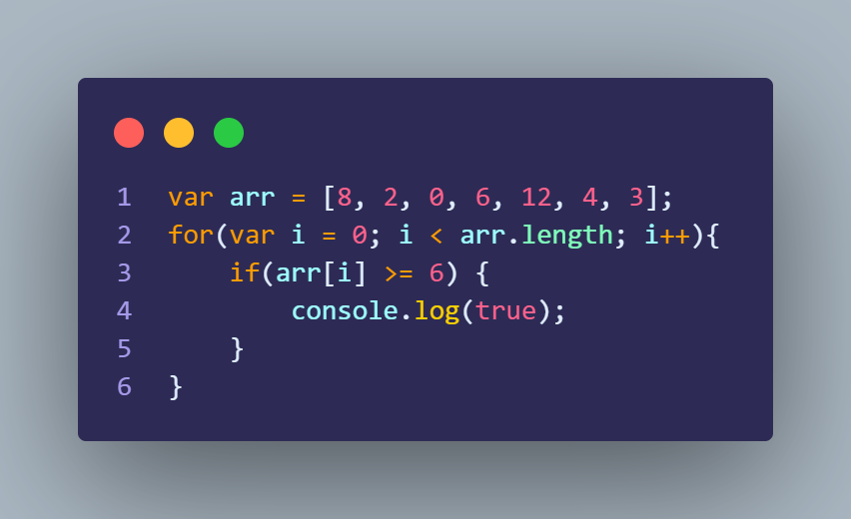
Diagrama T

Variables | Values | Consola
arr | [8, 2, 0, 6, 12, 4, 3] | true
i | 0 -> 1 -> 2 -> 3 -> 4 -> 5 -> 6 -> 7 | true
 |  | true

